payroll management
 | GROUP - 9
PAYROLL AND PERFORMANCE EVALUATION MANAGEMENT SYSTEM

Description:
The main objective of this project is to design a payroll management
system which will maintain record of all the employees within an organization
like salary/bonus calculation, annual performance score, personal records, job departments, leaves etc. Each stakeholder has limited rights in the system as per their role.
Different tables that will be created are as follows :
1. Employee : This table will contain various details of employees currently working in the organization.
2. Payroll : Details included in this table will be related to all the essential components of payroll.
3. Job Department : This will include details of all the departments in the organization.
4. Salary : All the components of salary will be included in this table.
5. Leave : All details which are important like leave date, reason etc. will be included.
6. Annual Performance Score (APS) : This table will include the details of performance by each employee and how their managers graded them.

sql codes
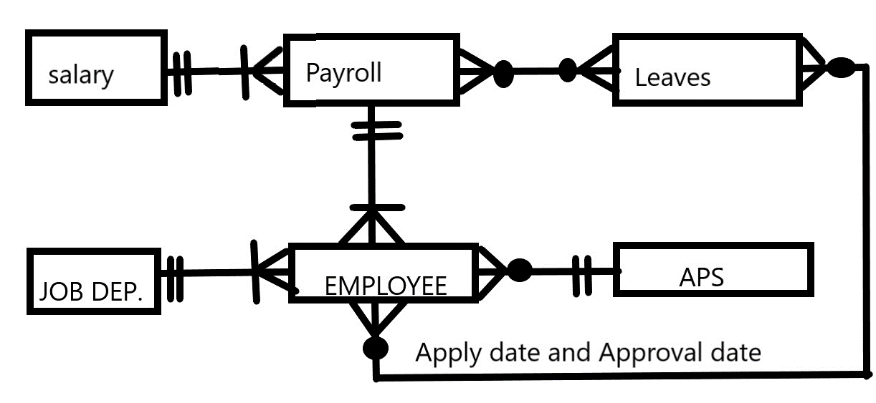
 |  |  | SQL CODES FOR TABELS

 | Attributes:
 | 1. APS: Score ID, Score and Remarks
 | 2. Job Department: Job Id, Job Dept. Name, Description
 | 3. Leave: Leave ID, Leave Type, Status, Date
 | 4. Salary: Salary ID, Basic Pay, Variable Pay
 | 5. Payroll: Payroll ID, Tax, PF Account No., Date, Net Amount
 | 6. Employee: Emp ID, Name, gender, age, contact, email, password

annual_performance_score |  |  | job_department |  | leaves |  | salary
CREATE TABLE if not exists leaves ( leave_id char(5) primary key,
leave_type varchar(25) NOT NULL,
status varchar(20) NOT NULL,
date DATE NOT NULL );
CREATE TABLE if not exists salary ( salary_id char(5) primary key,
basic_pay int NOT NULL,
variable_Pay int,
CONSTRAINT basic_pay_greater CHECK (basic_pay>variable_pay));
create table if not exists annual_performance_score ( score_id char(5) primary key ,
score int check (score>=0 and score<=5) NOT NULL ,
remarks varchar(30)
) ;
create table job_department ( job_ID char(5) primary key,
job_dept varchar(25),
description varchar(25)
) ;

payroll |  |  | employee

create table if not exists payroll ( payroll_id char(5) primary key ,
pf_acc_no varchar(5) UNIQUE ,
date DATE NOT NULL ,
net_amount int(10) NOT NULL
);
create table employee ( emp_ID char(5) primary key,
fname varchar(25),
lname varchar(25),
gender varchar(10),
age int ,
contact_add varchar(25),
emp_email varchar(25),
emp_pass varchar(25)) ;

 |  | RELATIONSHIP TABLES

Employee_payroll |  |  |  | Employee_job_department |  | Employee_APS

create table relationship_employee_payroll ( emp_ID char(5) ,
payroll_id char(5) ,
primary key (payroll_id),
foreign key (emp_ID) references employee (emp_ID) ,
foreign key (payroll_id) references payroll (payroll_id) );
create table relationship_employee_job_department ( emp_ID char(5),
job_ID char(5) ,
primary key (emp_ID, job_ID),
foreign key (emp_ID) references employee (emp_ID),
foreign key (job_ID) references job_department (job_ID) );
create table relationship_employee_annual_performance_score ( emp_ID char(5) ,
score_id char(5) ,
year int,
primary key (emp_ID, score_id, year),
foreign key (emp_ID) references employee (emp_ID),
foreign key (score_id) references annual_performance_score (score_id) );

Payroll_salary |  |  |  | Payroll_leaves |  | employee_leaves

create table if not exists relationship_payroll_salary ( payroll_id char(5) not null ,
salary_id char(5) not null ,
primary key (payroll_id) ,
foreign key (payroll_id) references payroll (payroll_id) ,
foreign key (salary_id) references salary (salary_id)
);
create table if not exists relationship_payroll_leaves ( payroll_id char(5) not null ,
leave_id char(5) not null ,
date_of_leave DATE NOT NULL ,
primary key (payroll_id,leave_id, date_of_leave ) ,
foreign key (payroll_id) references payroll (payroll_id) ,
foreign key (leave_id) references leaves (leave_id)
);
create table if not exists relationship_employee_leaves ( emp_ID char(5) not null ,
leave_id char(5) not null ,
apply_date date not null ,
approval_date date ,
primary key (emp_ID,leave_id,apply_date) ,
foreign key (emp_ID) references employee (emp_ID) ,
foreign key (leave_id) references leaves (leave_id)
);

ERD
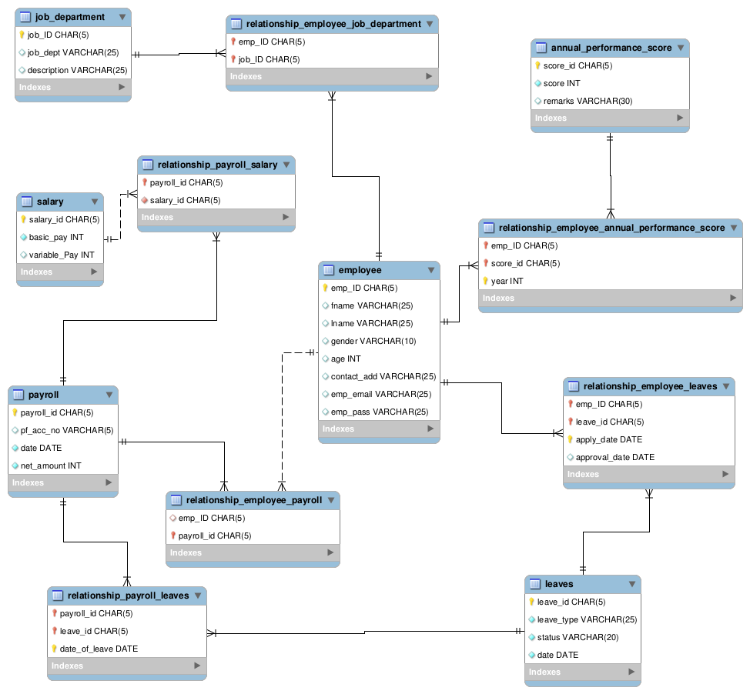
ERD DIAGRAM

Grant_auth
Key stakeholders involved in this project are as follows:
1. Employees: Employees currently working in the organization.
2. Admin (HR Team): HR Team working in the payroll department of the organization.
3. Senior Manager: Respective senior managers of the employees who evaluate their performance.
4. DBA (Database Analyst): Database analyst who will design the whole payroll management system.

 | Roles

 | Role | Name | User ID | Password | Authority | Tables
 | dba | Anisha Siwas | anisha | anisha | create/drop/grant on all objects
 | Employees | Suchit Katyal | suchit | suchit | select | All tables
 | Admin(HR Team) | Kartik Sinha | kartik | kartik | select,insert,update,delete | All tables except APS and Employee_APS
 | Senior Manager | Ravi Sharma | ravi | ravi | select | employee, leaves, employee_leaves
 |  |  |  |  | select, insert,update,delete | APS, employess_APS

TABLES
APS
Job Department:
Leaves
Salary
Payroll
Employee
Employee_payroll
Employee_job_department
Employee_APS
Payroll_salary
Payroll_leaves
Employee_leaves
User creation code
CREATE USER 'anisha'@'localhost' IDENTIFIED BY 'anisha' ;
CREATE USER 'suchit'@'localhost' IDENTIFIED BY 'suchit' ;
CREATE USER 'kartik'@'localhost' IDENTIFIED BY 'kartik' ;
CREATE USER 'ravi'@'localhost' IDENTIFIED BY 'ravi' ;

DBA
grant create,drop ON *.* TO 'anisha'@'localhost' with grant option ;
Employee
grant select on *.* to 'suchit'@'localhost' ;
ADMIN
GRANT select, insert, update, delete ON job_department TO 'kartik'@'localhost' ;
GRANT select, insert, update, delete ON leaves TO 'kartik'@'localhost' ;
GRANT select, insert, update, delete ON salary TO 'kartik'@'localhost' ;
GRANT select, insert, update, delete ON payroll TO 'kartik'@'localhost' ;
GRANT select, insert, update, delete ON employee TO 'kartik'@'localhost' ;
GRANT select, insert, update, delete ON employee_payroll TO 'kartik'@'localhost' ;
GRANT select, insert, update, delete ON employee_job_department TO 'kartik'@'localhost' ;
GRANT select, insert, update, delete ON payroll_salary TO 'kartik'@'localhost' ;
GRANT select, insert, update, delete ON payroll_leaves TO 'kartik'@'localhost' ;
GRANT select, insert, update, delete ON employee_leaves TO 'kartik'@'localhost' ;
Senior Manger
GRANT select, insert, update, delete ON APS TO 'ravi'@'localhost' ;
GRANT select, insert, update, delete ON employee_APS TO 'ravi'@'localhost' ;
GRANT select ON employee_leaves TO 'ravi'@'localhost' ;
GRANT select ON leaves TO 'ravi'@'localhost' ;
GRANT select ON employee TO 'ravi'@'localhost' ;

